1. Title Page
Grocery Basket Analysis

Project Name: Instacart Grocery Basket Analysis
Date: March 16, 2022
Analyst Name: Rob Rowland

Project Objective: Instacart already has very good sales, but they want to uncover more information about their sales patterns. The objective of this project is to perform an initial data and exploratory analysis of some of their data in order to derive insights and suggest strategies for better segmentation based on the provided criteria.

Data Source: “The Instacart Online Grocery Shopping Dataset 2017”, Accessed from https://www.instacart.com/datasets/grocery-shopping-2017 on 3/16/2022.

Contents:
Population Flow
Consistency checks
Wrangling steps
Column derivations
Visualizations
Recommendations

2. Population Flow
Title page

Population flow

Exclusion flag
Condition: max_order < 5
Obervations to be removed: 1,441,570
Final total count of order_products_all: 30,993,489

Orders_products_combined
Orders_products_merged
Orders_products_all

Total: 32,435,059
Total: 32,434,489
Total: 32,435,059

1.) The grey boxes in the first row of the population flow represent the original data sets as they were when you downloaded them. In the Total fields you need to add the count of the rows when you imported the data set into Jupyter.
2.) The second row of boxes (coloured) represents the data sets after you manipulated them, e.g., removed missing values and duplicates. In the Total fields you need to add the count of the rows after conducting these operations. This offers a visual oveview of how the data flows throughout the data consistency checks.
3.) The third row, where also the arrows are coloured, represents the merges you performed between the datasets. In the Total fields you need to add the count of the rows in the merged datasets, so that you end up with the final dataset (in the red box). Keep in mind the final dataset should be without exclusions (based on the exclusion flag).

3. Consistency checks
 |  |  |  | Title page
Consistency checks

Dataset | Missing values | Missing values treatment | Duplicates
orders | 0 | n/a
products | 16 | Removed | 5 (removed)
orders_products_prior
customers

4. Wrangling steps
 |  |  |  | Title page
Wrangling steps

Columns dropped | Columns renamed | Columns' type changed | Comment/Reason
eval_set |  |  | Unneeded column
 | order_dow -> orders_day_of_week |  | Changed for clarity
 |  | user_id -> 'str'
 | order_number -> user_cumulative_order_number |  | Changed for clarity
 | STATE -> State |  | Caps not needed
 | Surnam -> Last Name |  | Changed for clarity
 |  | First Name -> 'str'
 | n_dependants -> dependants |  | n_ not needed for clarity
 |  | loyalty_flag -> 'category' | Decrease memory usage
 |  | loyalty_flag2 -> 'category' | Decrease memory usage
 |  | loyalty_flag3 -> 'category' | Decrease memory usage
 |  | avg_ord_price -> 'float16' | Decrease memory usage
 |  | max_order -> 'int16' | Decrease memory usage
 |  | days_since_prior_order -> 'float16' | Decrease memory usage
 |  | price_range_loc -> 'category' | Decrease memory usage
 |  | busiest_day -> 'category' | Decrease memory usage
 |  | busiest_days -> 'category' | Decrease memory usage
 |  | busiest_period_of_day -> 'category' | Decrease memory usage
 |  | product_name -> 'category' | Decrease memory usage
 |  | reordered -> 'int16' | Decrease memory usage
 |  | product_id -> 'int16' | Decrease memory usage
 |  | order_hour_of_day -> 'int16' | Decrease memory usage
 |  | add_to_cart_order -> 'int16' | Decrease memory usage
 |  | orders_day_of_week -> 'int16' | Decrease memory usage
 |  | user_cumulative_order_number -> 'int16' | Decrease memory usage
first name |  |  | PII not needed for analysis
surname |  |  | PII not needed for analysis

5. Column derivations
 |  |  | Title page

Column derivations and aggregations

In this tab you should add tables below that the frequences of flags/label variables that you produced after deriving them. NB: don't do this for continuous variables, only for flags.
Dataset | New column | Column/s it was derived from
orders_checked | first_order | days_since_prior_order
orders_products_merged | price_range | prices
orders_products_merged | busiest_days | order_day_of_week
orders_products_merged | busiest_period_of_day | order_hour_of_day
orders_products_merged | loyalty_flag2 | max_order
orders_products_merged | loyalty_flag | avg_order_price
orders_products_merged | loyalty_flag3 | days_since_prior_order
ord_prod_cust_merge | Age Range | Age
ord_prod_cust_merge | Income Range | income
ord_prod_cust_merge | Family Customer Profile | fam_status, dependants
ord_prod_cust_merge | Region | State

6. Visualizations
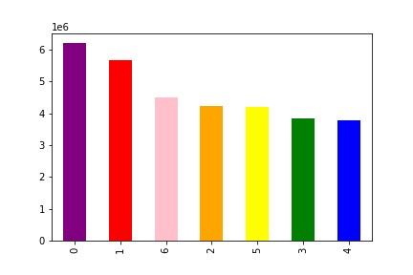
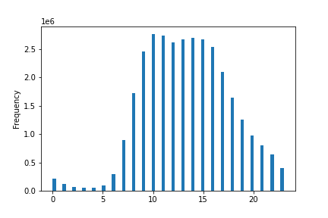
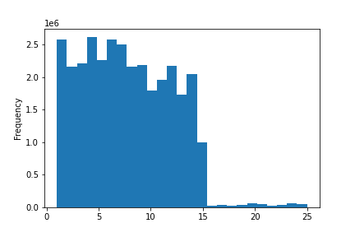
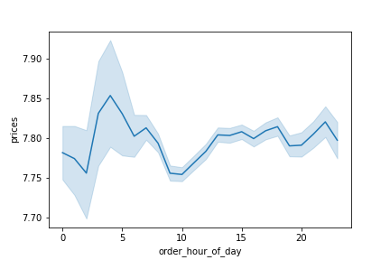
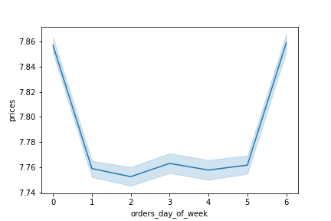
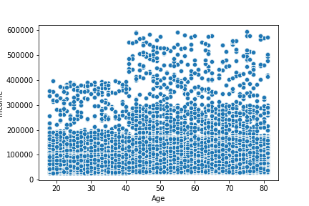
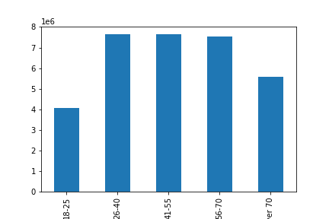
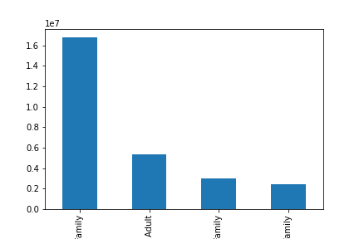
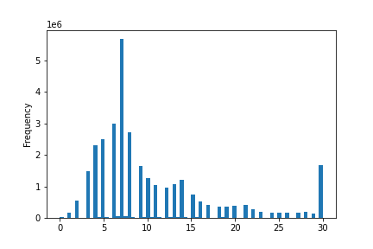
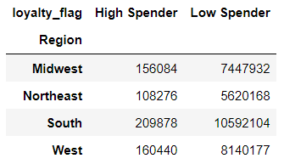
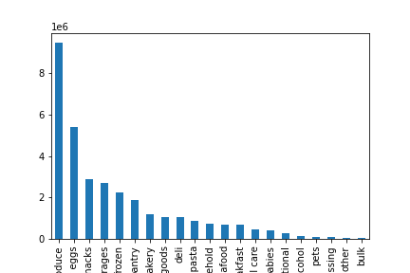
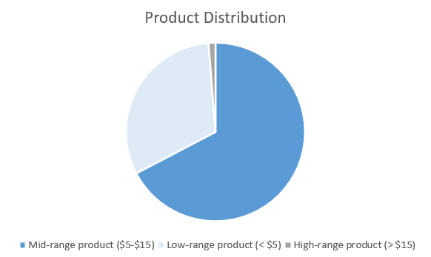
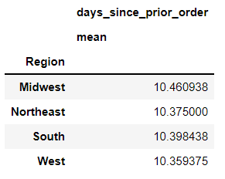
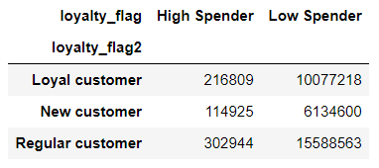
Title page

Visualisations - Commentary Included on Recommendations Tab

In this tab you should include all the visualtions from Exercises 4.9 and 4.10, alongside the questions from the project brief that they answer. Include any commentary on the relationship between different variables.

7. Recommendations
 |  |  |  |  | Title page

Recommendations

In this tab you should include any recommendations you would made to Instcart in terms of their marketing strategy based on the questions posed in the brief. Every key question has been covered in the Tasks of the Exercises - here you need to add an item - a visualisation or table/crosstable that is showing the answer in the data, acompanied by a comment from you. Please, list the questions below and add the answer underneath.

Question |  | Answer
The sales team needs to know what the busiest days of the week and hours of the day are (i.e., the days and times with the most orders) in order to schedule ads at times when there are fewer orders. |  |  |  | As the visualizations illustrate, Sunday and Saturday (0,6) are the busiest days of the week, and the busiest hours of the day are between 9:00a and 5:00p.
They also want to know whether there are particular times of the day when people spend the most money, as this might inform the type of products they advertise at these times. |  |  | Spending increases on order times in the early morning (4:00a-7:00a) and increase again on order times from 1:00p-5:00p.
Instacart has a lot of products with different price tags. Marketing and sales want to use simpler price range groupings to help direct their efforts. |  |  |  | The overwhelming majority of Instacart products fall within the "low-range (< $5)" and "mid-range ($5-$15)" price ranges.
Are there certain types of products that are more popular than others? The marketing and sales teams want to know which departments have the highest frequency of product orders. |  |  | The visualization to the left shows order frequency distribution, with produce and eggs as the more frequently ordered items
The marketing and sales teams are particularly interested in the different types of customers in their system and how their ordering behaviors differ. |  |  |  | The Instacart customer database primarily consists of 26-70 year olds, classified as 'Middle Class Family,' meaning their income falls between 50k-150k and they have at least one dependant.
What’s the distribution among users in regards to their brand loyalty (i.e., how often do they return to Instacart)? Are there differences in ordering habits based on a customer’s loyalty status? |  |  | The disribution of days between orders for return customer is represented in the histogram to the left. The majority of returning customer are ordering every 6-8 days (aka, weekly grocery order).
Are there differences in ordering habits based on a customer’s region or loyalty status?
 | There is no difference in order frequency by region or the breakdown of high/low spenders by region or loyalty.

